Cover
 |  3D BioOptima Quality That Matters

实验项目 | HW356054小鼠单次给药药代动力学研究
课题编号 | 3D_SN322418
实验方案编号 | 3D_PN322819
化合物 | HW356054
课题负责人 | 杨德孝
实验参与人员 | 冯本杰、胡长亮、梁永伟和郭芳
报告撰写 | 钱晨艳
数据质控 | 程翠
批准人 | 唐开阳
生效期 | 05-19-2025
实验负责方 | 苏州圣苏新药开发有限公司 苏州市吴中区吴中大道1338号
实验委托方 | 湖北生物医药产业技术研究院有限公司 武汉市东湖高新区高新大道666号C7栋217室

 |  | Confidential

Formulation
制剂报告 Formulation Report

 | 化合物信息 Compound Information
 | 供试品 Compound |  | 批号 Lot | 游离/盐 Free/Salt | FW | MW | 折算系数CF
 | HW356054 |  | HWH817-XQ-35-6054 | NA | NA | 574.12 | 1

 | 溶媒信息 Reagent Information
 | 名称 Name |  |  | 生产厂商 Manufacturer |  | 批号/编号 Lot No./ID
 | Saline 氯化钠溶液 |  |  | 安徽丰原药业股份有限公司 |  | 1124051207
 | DMA N-N-二甲基乙酰胺 |  |  | aladdin |  | E2226029
 | Kolliphor® HS15(Solutol HS15) |  |  | BASF |  | 62863656P0

(IG-A)给药制剂配制
 | 化合物 Compound ID |  | 处方 Formulation |  | 浓度 Conc. (mg/mL) | 称重 Amount (mg) | 总体积 Volume (mL)
 | HW356054 |  | DMA:Solutol HS15:Saline = 5:10:85 (v/v/v) |  | 1 | 2.53 | 2.530

 | 配制日期 Preparation Date: |  | 2025-05-15
 | 配制方法 Actual Procedure:
 | 1.加入0.127 mL DMA，涡旋，溶解。 2.加入0.253 mL 水浴融化的Kolliphor® HS15(Solutol HS15)，涡旋混匀。 3.加入2.151 mL Saline，涡旋混匀，静置5 min，析出混悬。
 | 结论 Conclusion
 | 滤膜/Filter |  | 结果观察 Result |  | 留样 Volume (mL) | 注释 Comments
 | NA |  | 微粉色混悬液 |  | 0.2 | NA

HW356054的剂量准确度
 | 分析日期 Analyse Date: |  | 2025-05-15
 | 样品制备 Sample Preparation：
 | 05-15-2025-HW356054-SS1 | 1. 移取100 μL处理液 / 加入900 μL稀释液D1至100 μg/mL，涡旋，超声5 min；
 | IG-A | 1. 移取100 μL处理液 / 加入900 μL稀释液D1至100 μg/mL，涡旋，超声5 min；
 |  | 所有样品处理后，离心 8000 rpm 6 min；取上清液200 μL用于HPLC分析。
 |  | 稀释液D1：ACN:H2O(1:1)
 | 液相条件 HPLC Conditions:
 | 液相编号 LC ID |  | EQ-HPLC-002 | 检测器 Detector | Agilent DAD | Time（min） | Ratio-B（%）
 | 色谱柱信息 Column Info |  | 50-321/Waters XBridge C18 3.5μm 2.1×50 mm |  |  | 0.20 2.50 3.50 4.00 6.00 | 5 90 90 5 stop
 | 流动相A Mobile Phase A |  | H2O (0.1% Formic Acid) | 流速 Flow(mL/min) | 0.8
 | 流动相B Mobile Phase B |  | ACN (0.1% Formic Acid) | 进样量 Inj Volume(μL) | 5
 | 波长 Wavelength(nm) |  | 254 | 柱温 Column Temp(℃) | 30

 | 数据评估Data Evaluation
 | 保留时间 Retention Time （min） |  | 样品名称 ID | 标示浓度 Nominal Conc.(µg/mL) | 峰面积Area | 分析浓度Actual Conc. (μg/mL) | 相对偏差 RD(%)
 | 3.3 |  | 05-15-2025-HW356054-SS1 | 100 | 856 | 100 | 0
 |  |  | IG-A | 100 | 883.4 | 103.2 | 3.2

 | 注释 Comments
 | NA

 | 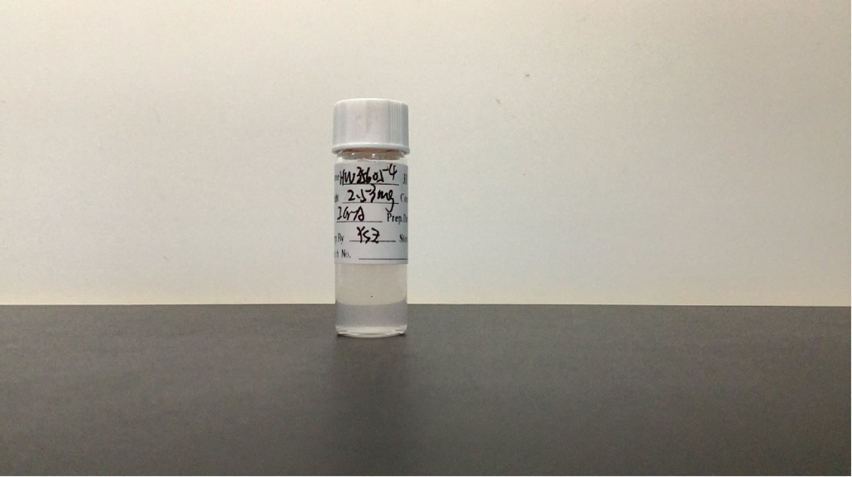

HW356054
Individual and Mean Plasma Concentration-Time Data of HW356054 after an i.g. Dose of 10 mg/kg in ICR Mouse
Dose | Dose | Sampling | Concentration |  |  | Mean | SD | CV (%)
(mg/kg) | route | time | (ng/mL) |  |  | (ng/mL)
 |  | (h) | A1 | A2 | A3
10 | IG | 0.25 | 119 | 190 | 166 | 158 | 36.1 | 22.9
 |  | 0.5 | 144 | 219 | 205 | 189 | 39.9 | 21.1
 |  | 1 | 143 | 231 | 181 | 185 | 44.1 | 23.8
 |  | 2 | 133 | 185 | 132 | 150 | 30.3 | 20.2
 |  | 4 | 147 | 155 | 126 | 143 | 15.0 | 10.5
 |  | 8 | 144 | 116 | 113 | 124 | 17.1 | 13.8
 |  | 10 | 128 | 75.3 | 75.8 | 93.0 | 30.3 | 32.6
 |  | 24 | 41.6 | 2.41 | 2.01 | 15.3 | 22.7 | 148.4

PK Parameters |  | Unit | A1 | A2 | A3 | Mean | SD | CV (%)
Rsq_adjusted |  | NA | 0.998 | 1.00 | 0.999 | NA | NA | NA
Kel |  | 1/h | 0.0786 | 0.243 | 0.255 | 0.192 | 0.0986 | 51.4
T1/2 |  | h | 8.82 | 2.85 | 2.72 | 4.80 | 3.48 | 72.5
Tmax |  | h | 4.00 | 1.00 | 0.500 | 1.83 | 1.89 | 103.4
Cmax |  | ng/mL | 147 | 231 | 205 | 194 | 43.0 | 22.2
AUC0-t |  | ng·h/mL | 2580 | 2010 | 1790 | 2130 | 408 | 19.2
AUC0-inf |  | ng·h/mL | NR | 2020 | 1800 | 1910 | NA | NA
MRT0-t |  | h | 8.92 | 5.89 | 6.26 | 7.02 | 1.65 | 23.5
MRT0-inf |  | h | NR | 6.00 | 6.36 | 6.18 | NA | NA

Individual Semi logarithmic-Plasma Concentration-Time Profile of HW356054 after an i.g. Dose of 10 mg/kg in ICR Mouse
Graph
Mean Semi logarithmic-Plasma Concentration-Time Profile of HW356054 after an i.g. Dose of 10 mg/kg in ICR Mouse

Note: | 1) BLOQ = Below the lower limit of quantification (0.5 ng/mL) if it shows in the table above.
 | 2) PK parameters were estimated by non-compartmental model using WinNonlin 8.3.
 | 3) NA = Not Applicable.
 | 4) NR = Not Reportable.

